Significance runs
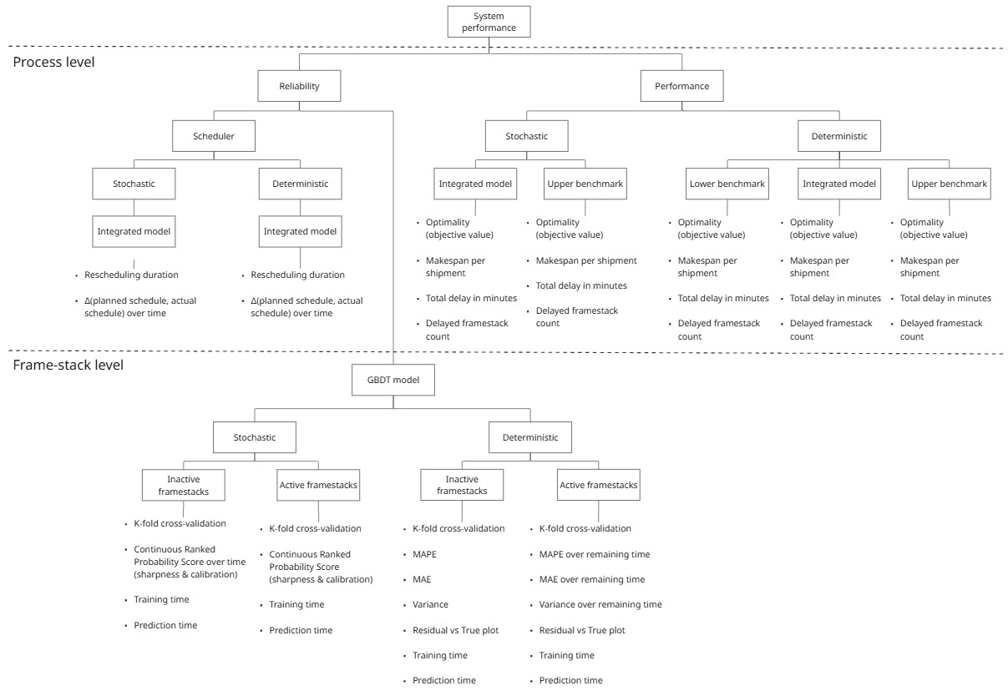
OPTIMALITY - JAN 24
Simulation type | Objective |  |  |  |  |  |  |  |  |  | Avg. makespan per shipment (min) |  |  |  |  |  |  |  |  |  | Total delay (min) |  |  |  |  |  |  |  |  |  | Delayed frame-stack count
Runs -> | Run 1 | Run 2 | Run 3 | Run 4 | Run 5 | Run 6 | Run 7 | Run 8 | Run 9 | Run 10 | Run 1 | Run 2 | Run 3 | Run 4 | Run 5 | Run 6 | Run 7 | Run 8 | Run 9 | Run 10 | Run 1 | Run 2 | Run 3 | Run 4 | Run 5 | Run 6 | Run 7 | Run 8 | Run 9 | Run 10 | Run 1 | Run 2 | Run 3 | Run 4 | Run 5 | Run 6 | Run 7 | Run 8 | Run 9 | Run 10
Deterministic model implemented
Lower bound benchmark | -3,959 |  |  |  |  |  |  |  |  |  | 207.6 |  |  |  |  |  |  |  |  |  | 1525 |  |  |  |  |  |  |  |  |  | 62
Model implemented | -0.8555 |  |  |  |  |  |  |  |  |  | 197.2 |  |  |  |  |  |  |  |  |  | 1029 |  |  |  |  |  |  |  |  |  | 49
Upper bound benchmark | 12.52 |  |  |  |  |  |  |  |  |  | 202.5 |  |  |  |  |  |  |  |  |  | 320 |  |  |  |  |  |  |  |  |  | 15

Stochastic model implemented
Lower bound benchmark | -3,959 |  |  |  |  |  |  |  |  |  | 207.6 |  |  |  |  |  |  |  |  |  | 1525 |  |  |  |  |  |  |  |  |  | 62
Model implemented
Upper bound benchmark

